Sheet1
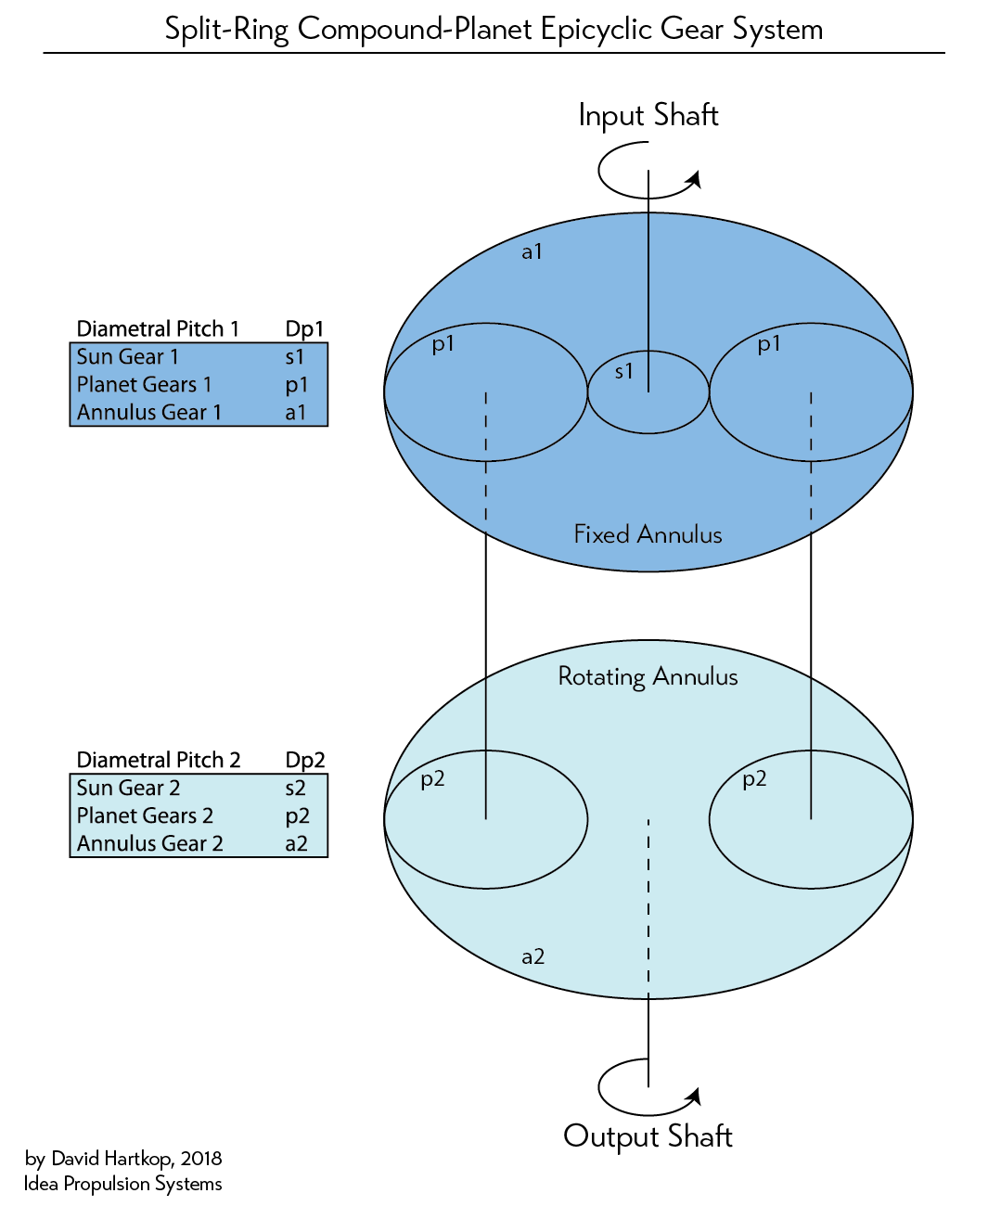
Split-Ring Compound-Planet Epicyclic Gear System Designer
A great way to get high gear ratios with tons of tooth engagement in only a couple stages! :-D

By David Hartkop
Updated March 2018

Input into green cells | Output in yellow.

Name | Symbol | # Teeth | Equations and consierations: | teeth OK?

Input Diametral Pitch | Dp1 | 6.5
Sun Gear 1 Toothcount | Ns1 | 12 | Ns1 must be evenly divisible by P | GOOD
Planet Gears 1 Toothcount | Np1 | 42 | Np1=(Na1-Ns1)/2, bust be whole # | GOOD
Annulus Gear 1 Toothcount | Na1 | 96 | Na1 must be evenly divisible by P | GOOD

Output Diametral Pitch | Dp2 | 6.740740741 | Dp2=(Dp1*(Na2-Np2))/(Na1-Np1)
Sun Gear 2 Toothcount | Ns2 | 14 | Ns2=Na2-(2*Np2), must be evenly divisible by P | GOOD
Planet Gears 2 Toothcount | Np2 | 42 | Np2=Np1*n, must be whole # | GOOD
Annulus Gear 2 Toothcount | Na2 | 98 | Na2=(n*Na1)+P, must be whole # | GOOD
# of planets in carrier | P | 2 | Will this many planets fit around the annulus? Check your drawing...
2nd stage multiplier | n | 1 | Must be rational number. ...does this make Na2 teeth too tiny?

Ratio First Stage | R1 | 9 | R1=(Na1/Ns1)+1
Ratio Second Stage | R2 | 48 | R2=(n*Na1)/(Na2-(n*Na1))
Final Ratio at Output Shaft | Rf | 432 | Rf=R1*R2

